BR-1
ID | #1 | Jira : KAN-1
Summary | Web page text error
Description | After observing text on web page, there are text errors in product description and product name
Steps to reproduce | Expected result | Actual result | Priority | Severity | Screenshot
Open Google Chrome version 119.0.6045.160
Go to the URL "https://www.saucedemo.com/"
Insert valid username in "Username" text field [error_user]
Insert valid password in "Password" text field [secret_sauce]
Click on "Login" button
Observe web page design and text | Web page design and text are good | Text error in description text of the first product named "Sauce Labs Backpack" contains part of some code, and text error in name of the product named "Test.allTheThings() T-Shirt (Red)" contains part of some code | High | Low | 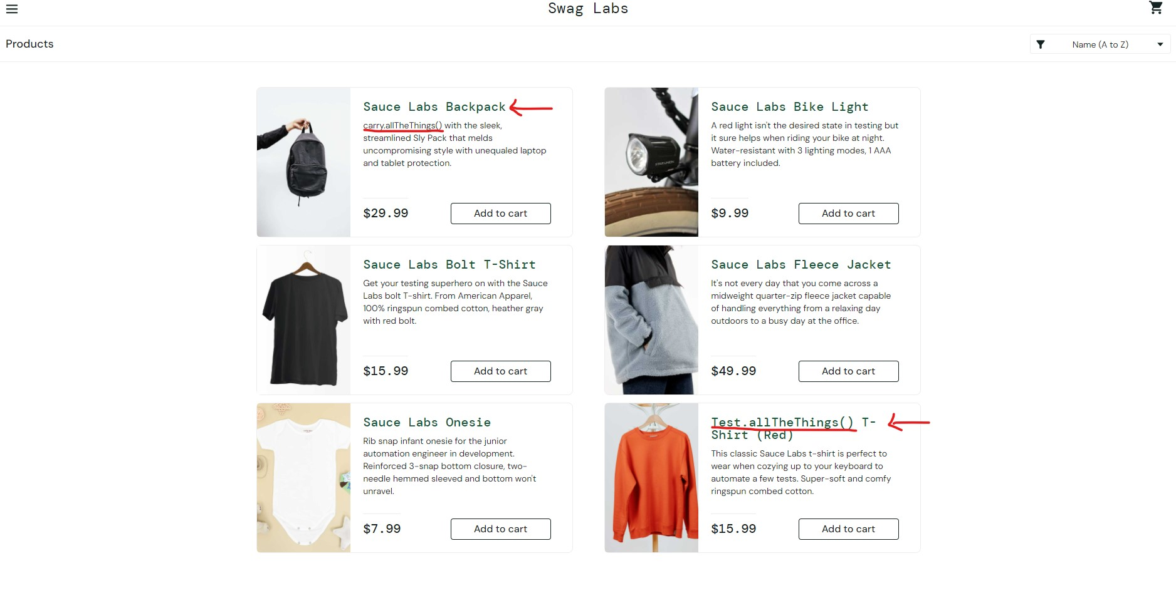 Repro rate: 100%

BR-2
ID | #2 | Jira: KAN-2
Summary | Products are not added to the cart
Description | After clicking on "Add to cart" button, some of the products from "Products" page are not added to the cart and button is not changed to "Remove" button
Steps to reproduce | Expected result | Actual result | Priority | Severity | Screenshot
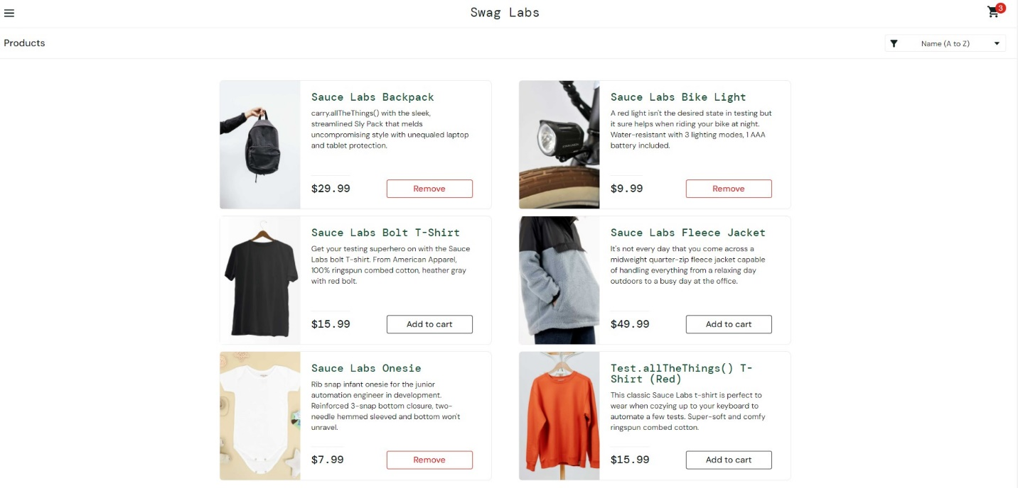
Open Google Chrome version 119.0.6045.160
Go to the URL "https://www.saucedemo.com/"
Insert valid username in "Username" text field [error_user]
Insert valid password in "Password" text field [secret_sauce]
Click on "Login" button
Click on "Add to cart" button of every product | Button is clicked, product is added to the cart and button is named "Remove" with red color | Products "Sauce Labs Bolt T-Shirt", "Sauce Labs Fleece Jacket" and "Test.allTheThings() T-Shirt (Red)" can't be added to the cart, button is still named "Add to cart" | Urgent | Critical
 |  |  |  |  | Repro rate: 100%

BR-3
ID | #3 | Jira: KAN-3
Summary | Product can't be removed from cart with "Remove" button on "Products" page
Description | When user clicks on red colored "Remove" button of added product, nothing happens, button is not changed to "Add to cart" button and product is not removed from the cart
Steps to reproduce | Expected result | Actual result | Priority | Severity | Screenshot
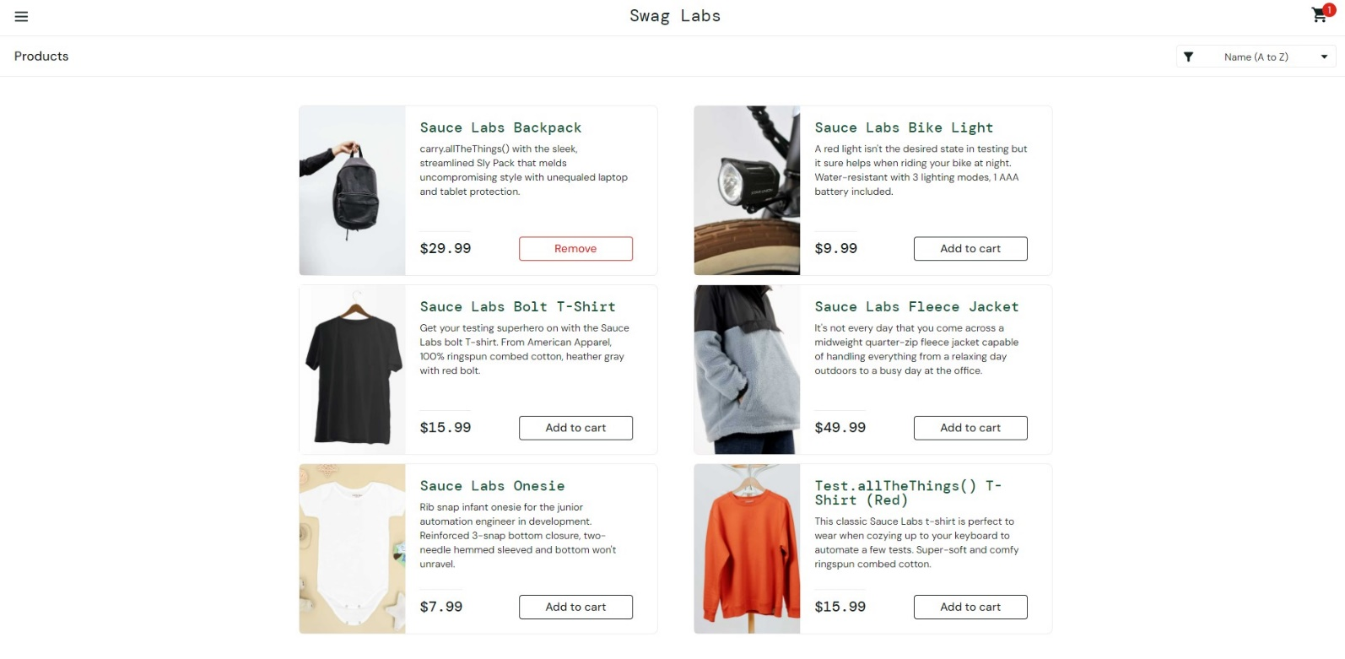
Open Google Chrome version 119.0.6045.160
Go to the URL "https://www.saucedemo.com/"
Insert valid username in "Username" text field [error_user]
Insert valid password in "Password" text field [secret_sauce]
Click on "Login" button
Click on "Add to cart" button of first product
Click on "Remove" red colored button of added product | Button is clicked, product is removed from the cart and button is changed to "Add to cart" button | Button is clicked, but nothing happens, button is not changed in "Add to cart" button and product is not removed from the cart | Urgent | Critical | Repro rate: 100%

BR-4
ID | #4 | Jira: KAN-4
Summary | When user clicks on product, product can't be added to the cart from selected product's page
Description | When user select one product and click on "Add to cart" button from selected product's page, product is not added to the cart and button is not changed in red colored "Remove" button
Steps to reproduce | Expected result | Actual result | Priority | Severity | Screenshot
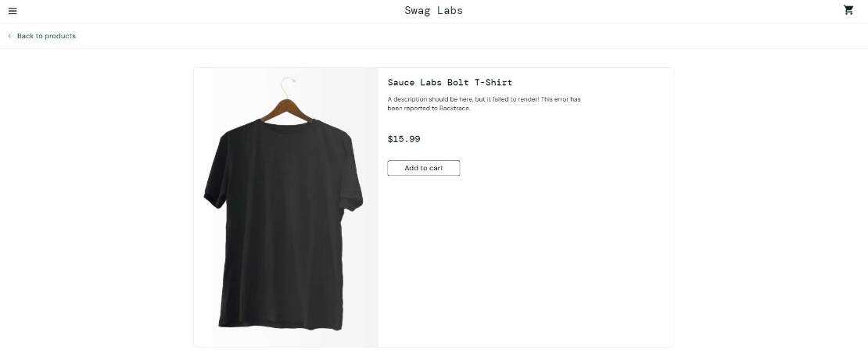
Open Google Chrome version 119.0.6045.160
Go to the URL "https://www.saucedemo.com/"
Insert valid username in "Username" text field [error_user]
Insert valid password in "Password" text field [secret_sauce]
Click on "Login" button
Click on title or on a picture of any product from the list
Click on "Add to cart" button | Button is clicked, product is added to the cart, on the cart icon in the right upper corner is shown red number of added products and button is named "Remove" with red color | Products "Sauce Labs Bolt T-Shirt", "Sauce Labs Fleece Jacket" and "Test.allTheThings() T-Shirt (Red)" can't be added to the cart, button is still named "Add to cart" on selected products pages | Urgent | Critical | 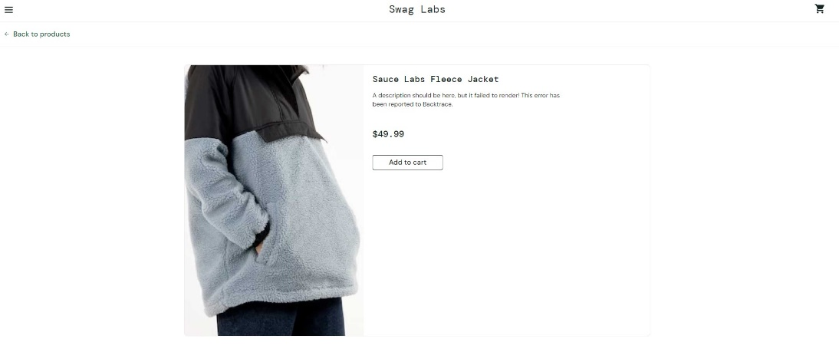

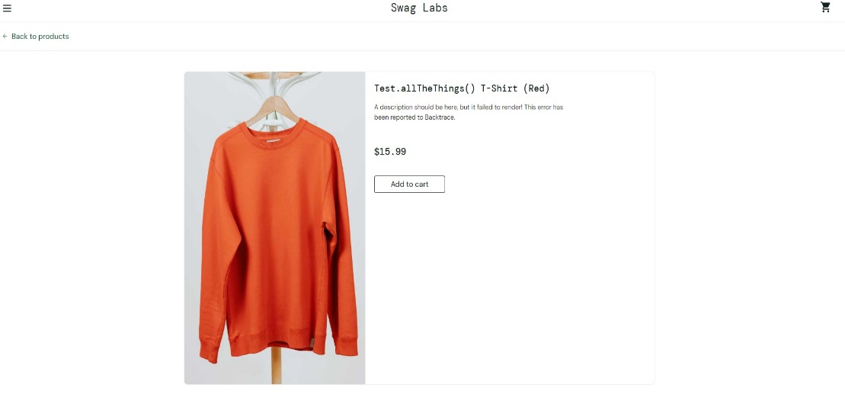

 |  |  |  |  | Repro rate: 100%

BR-5
ID | #5 | Jira: KAN-5
Summary | Product can't be removed from the cart after adding from selected product's page
Description | When product is added to the cart from selected product's page, it can't be removed after adding, button is red colored named "Remove" and is not changed in "Add to cart" button
Steps to reproduce | Expected result | Actual result | Priority | Severity | Screenshot
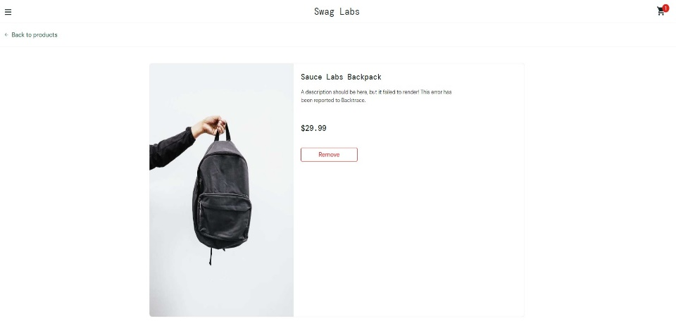
Open Google Chrome version 119.0.6045.160
Go to the URL "https://www.saucedemo.com/"
Insert valid username in "Username" text field [error_user]
Insert valid password in "Password" text field [secret_sauce]
Click on "Login" button
Click on title or on a picture of any product from the list
Click on "Add to cart" button
Click on red colored "Remove" button | Button is clicked, product is removed from the cart, red number of added products on cart icon in the right upper corner is removed and button is changed to "Add to cart" button | Products "Sauce Labs Backpack", "Sauce Labs Bike Light" and "Sauce Labs Onesie" can't be removed from the cart, button is still red colored and named "Remove" on selected products pages | Urgent | Critical | 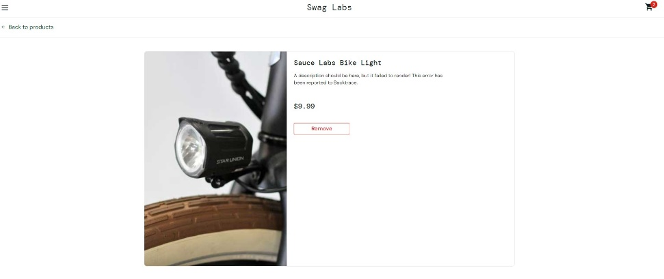
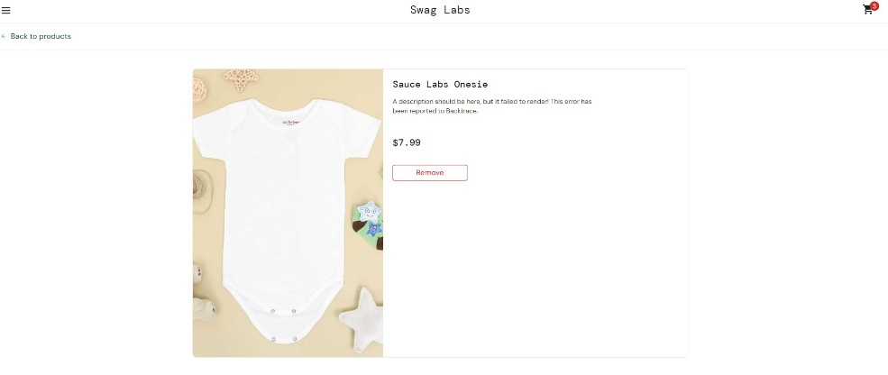

 |  |  |  |  | Repro rate: 100%

BR-6
ID | #6 | Jira: KAN-6
Summary | Wrong description text of product on selected product's page
Description | Description of product is not proper, it's written "A description should be here, but it failed to render! This error has been reported to Backtrace." |  |  |  | , but should be written text about selected product
Steps to reproduce | Expected result | Actual result | Priority | Severity | Screenshot
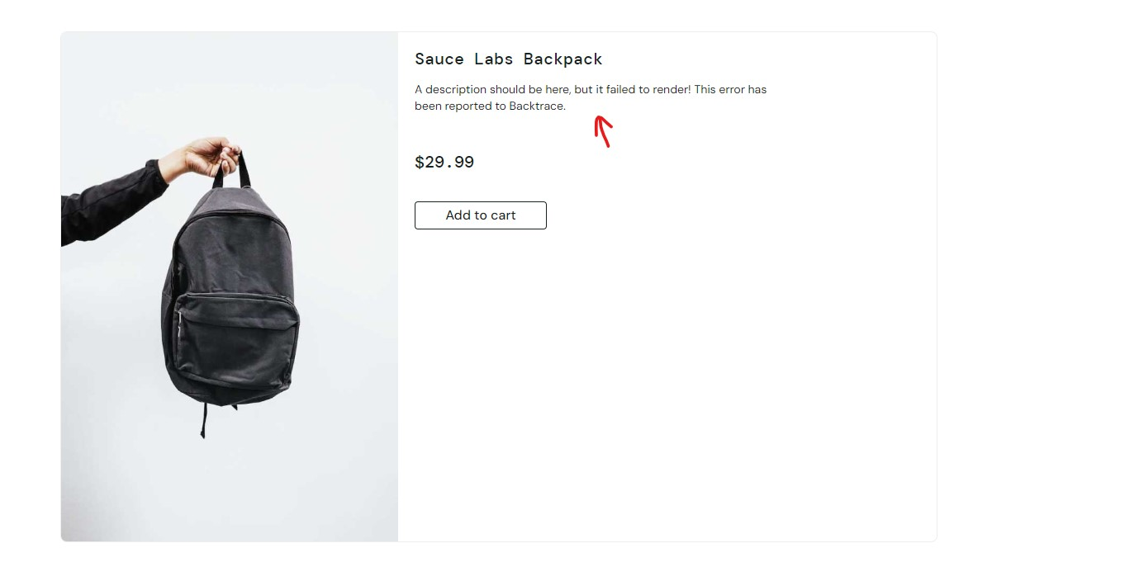
Open Google Chrome version 119.0.6045.160
Go to the URL "https://www.saucedemo.com/"
Insert valid username in "Username" text field [error_user]
Insert valid password in "Password" text field [secret_sauce]
Click on "Login" button
Click on title or on a picture of any product from the list
Observe web page design and text | Web page design and text are good | Description of selected product is not proper | High | Low

 |  |  |  |  | Repro rate: 100%

